Dashboard
Diabetes Patients Analysis Dashboard

REQUIRED TESTS AND RANGES
Glucose (mg/dL)
70 – 99
< 70 or ≥ 100
Blood P (mm Hg)
90 - 120
60 - 80
systolic
<90 - >120
<60 - >80
Diastolic
Blood P (mm Hg)
Skin Thickness (mm)
10 – 35
< 10 or > 35
Insulin (μU/mL)
2 – 25
< 2 or > 25
BMI (kg/m²)
18.5 – 24.9
< 18.5 or ≥ 25
Diabetes Pedigree
Diabetes
0.0 – 0.5
> 0.5

Normal Range
Abnormal Range

 | Diabetic | NoneDiabetic
Female | 2 | 5
Male | 3 | 3
GENDER DISTRIBUTION
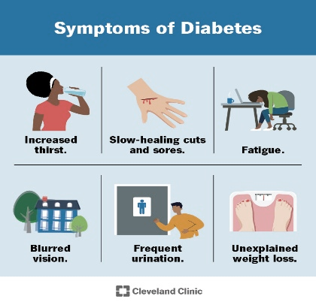
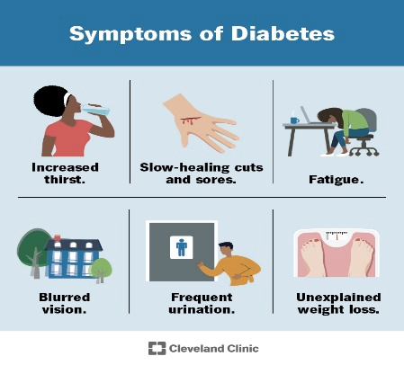
 | Middle-Aged | Old | Young
Diabetic | 2 | 1 | 2
NoneDiabetic | 1 |  | 7
DISTRIBUTION BY AGE CATEGORY

TOTAL DIABETIC
TOTAL NON DIABETIC

5
8
FILTER BY MONTH

TOTAL PATIENTS EXAMINED
FILTER BY YEAR
13

